Background
 |  |  | 
 | All Grass Wintering
 | All Grass Wintering is a way of rationing grass over the winter with electric fencing for in lamb ewes.
 | It is a long rotation - over 100 days from 3 weeks after tupping until 3 weeks before lambing.

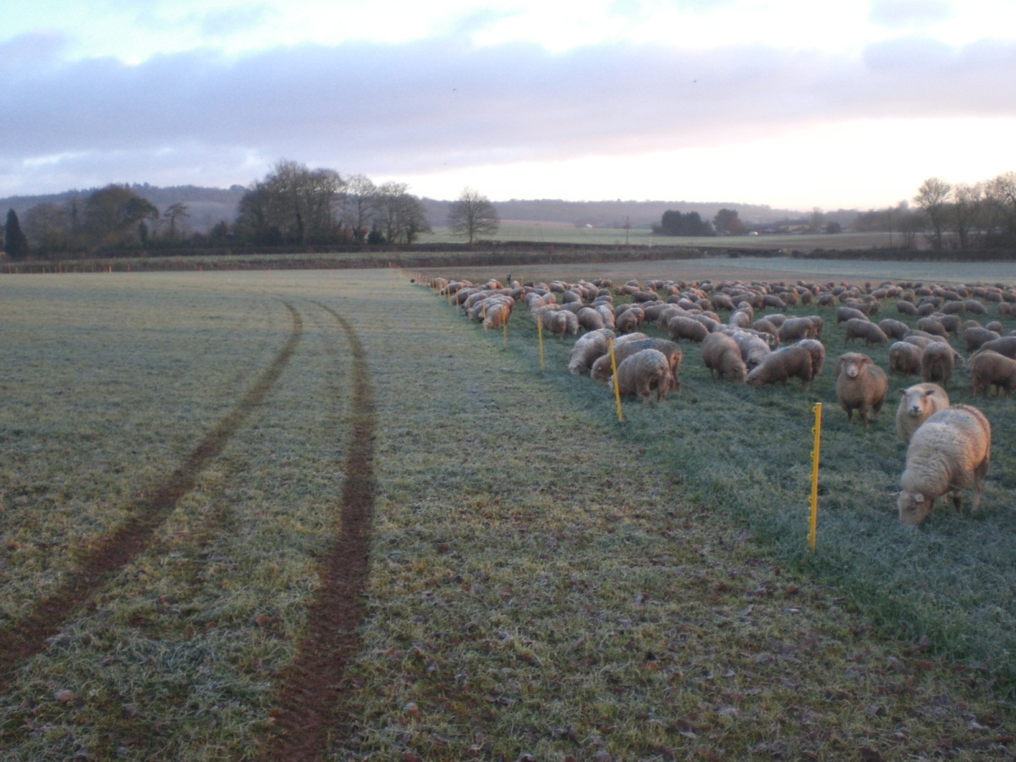

 |  | Photo: In-lamb ewes on the All Grass Wintering system at Carstairs Mains, near Lanark

 | This spreadsheet will help understand whether it would be possible on your farm with using a farm average grass cover in the late autumn.
 | It predicts pasture covers under zero, moderate and high grass growth scenarios. This helps plan for the worst (zero grass growth).
 | Most Scottish farmers will grow an average of 5 kg DM/ha/day grass growth over the winter.
 | The target is to make sure there will be enough grass available at lambing time - aim for 1500 kg DM/ha, if the covers fall below this target under zero grass growth use the back-up feed required calculation.

 | For more information on All Grass Wintering and other ewe wintering strategies see the QMS Ewe Wintering Strategies guide

 | Author: Poppy Frater, SAC Consulting, poppy.frater@sac.co.uk

Results
 | 5 kg DM/ha/day growth scenario | 10 kg DM/ha/day growth scenario | 0 kg DM/ha/day growth scenario | Actual covers
December | 0 | 0 | 0
January | 0 | 0 | 0
February | 0 | 0 | 0
March | 0 | 0 | 0
April | 0 | 0 | 0

This graph illustrates how the grass covers might react to the different average winter grass growth scenarios. The target is above 1500 kg DM/ha at lambing time.
We recommend keeping a back-up supply of feed for the worst case scenario - zero grass growth

